SCENARIOS API (BE)
NRO | FEATURE | TYPE | TECHNIQUE | TEST SUMMARY | EXPECTED RESULT | STATUS | ACTUAL RESULT | EVIDENCE | TICKET BUGS
1 | User Authentication | Acceptance | Decission Table | Verify user authenticate with valid credentials | User should be authenticated with valid message | PASSED | User is autheticate and the server response is with status 200 ok | 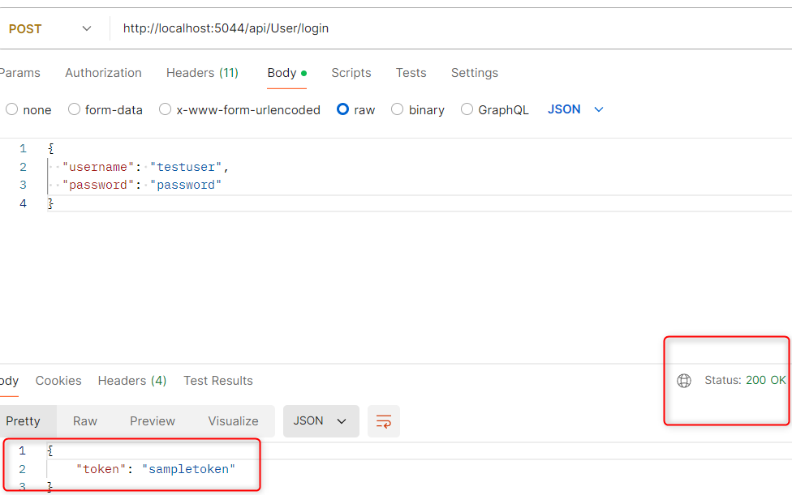
2 |  | Acceptance | Decission Table | Verify error message for invalid credentials | User should get an error message | PASSED | User is not authenticated and got 401 unauthorized | 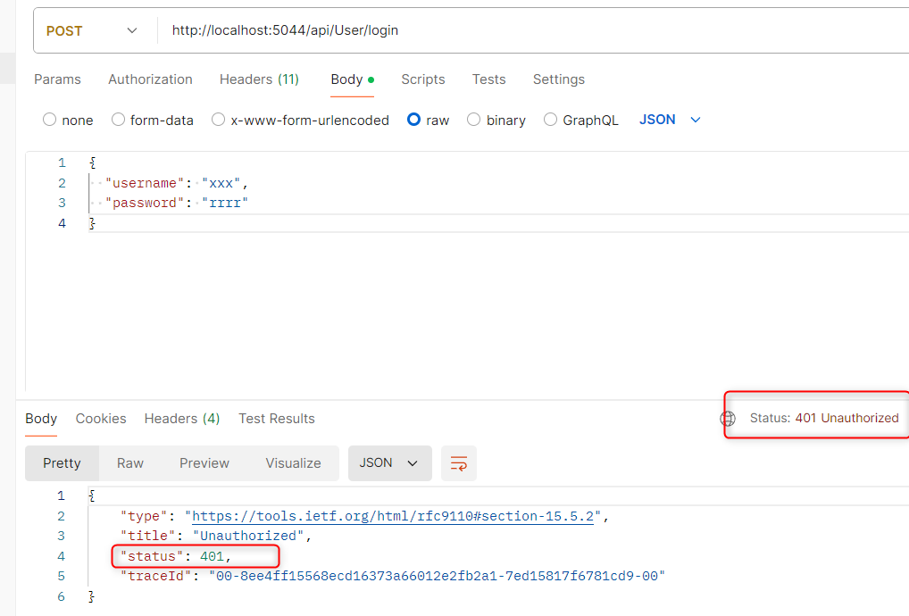
3 |  | Acceptance |  | Test token generation and expiration | To have generation token should test the expiration token seccion | FAILED | It´s not possible to test the expiration token | 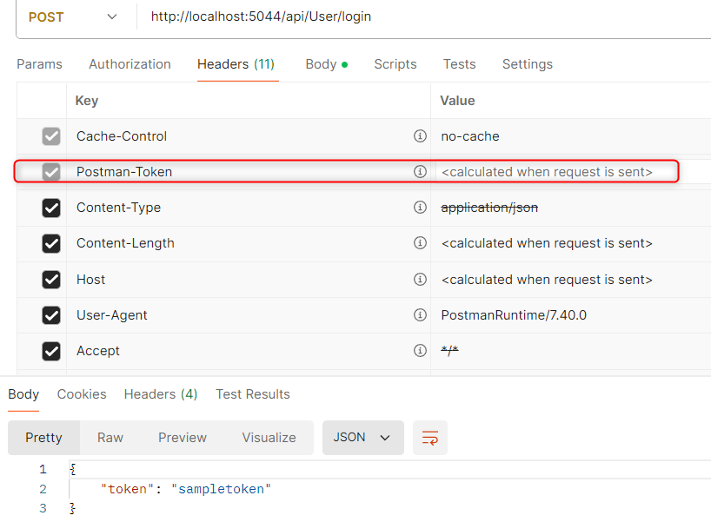 | 99
4 | PRODUCT MANAGEMENT | API Testing | CRUD | Create a Product with POST method | A product should be created with status 201 ok | PASSED | A Product has been created with 201 status code | 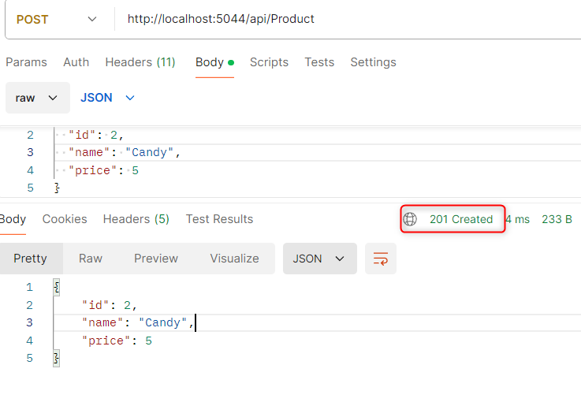
5 |  | Acceptance |  | Read Product list with GET method | A product should be listed with status 200 ok | PASSED | A Product list has been displyed with 200 status code | 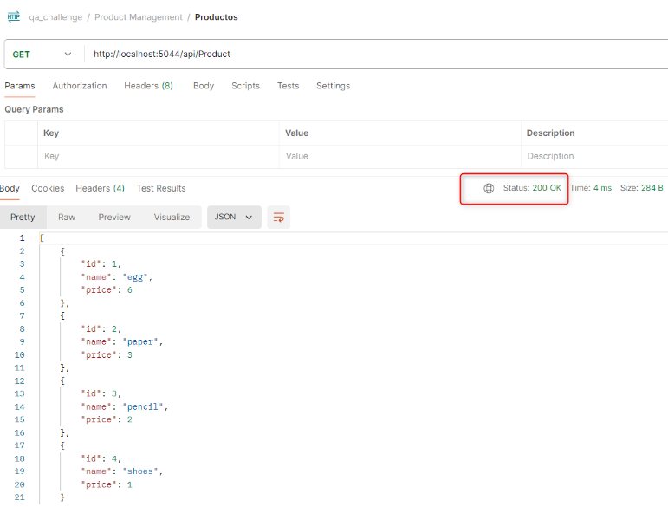
6 |  | Acceptance |  | Read a specific Product with GET method | A specific product by id should be listed with status 200 ok | PASSED | A specific product has been displyed with 200 status code | 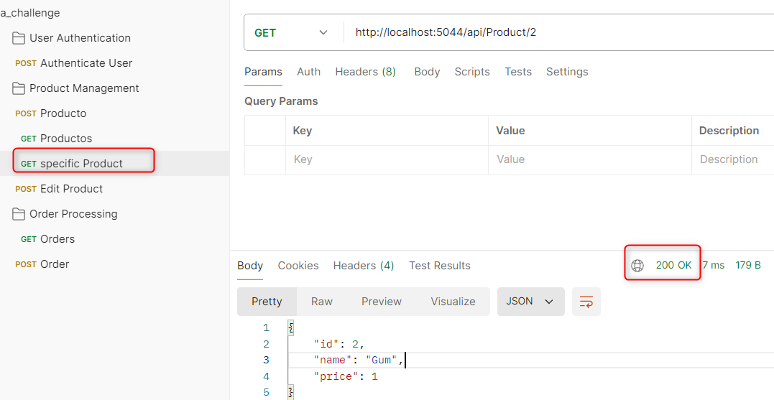
7 |  | Acceptance |  | Edit a Product with PUT method | A product should be updated with status 204 ok | PASSED | A specific product has been updated with 204 status code | 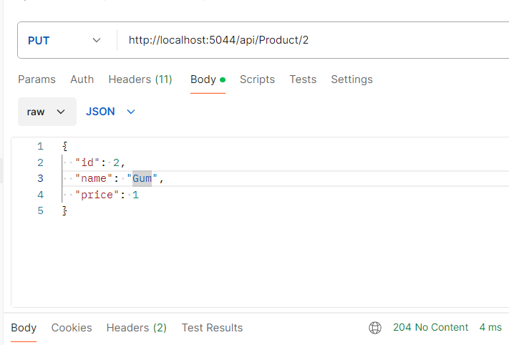
8 |  | Acceptance |  | Delete a Product with DELETE method | A product should be deleted with status 204 ok no content | PASSED | A specific product has been updated with 204 status code | 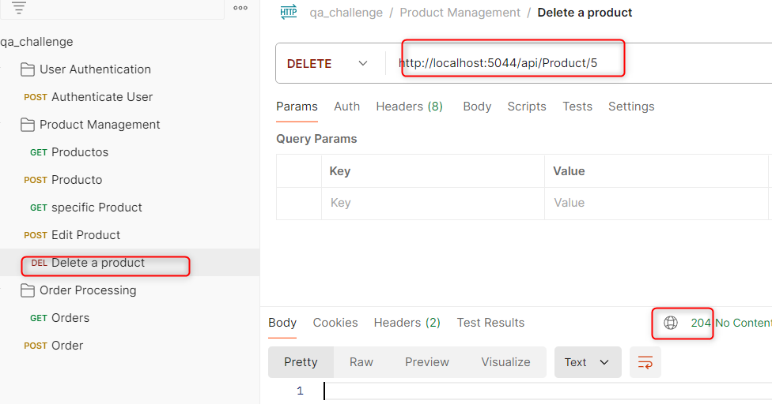
9 |  | Acceptance |  | Verify error handling for invalid product data | An error handling formatted and detailed should be displayed for invalid product data | FAILED | An incompleted error handling has been displayed | 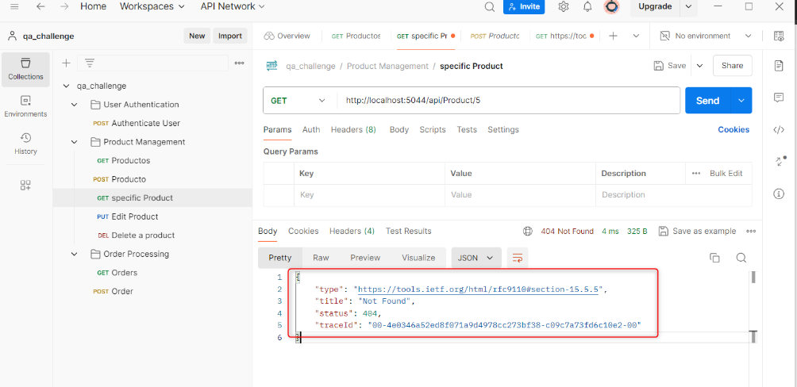 | 100
10 |  | Acceptance |  | Test search and filter functionalities. | Methods get a product by a specific id should be done | PASSED | Mehtod get by id is implemented
11 | ORDER PROCESSING | Acceptance |  | Create an order and verify order details. | An order should be created with order details | PASSED | An order has been created with order details | 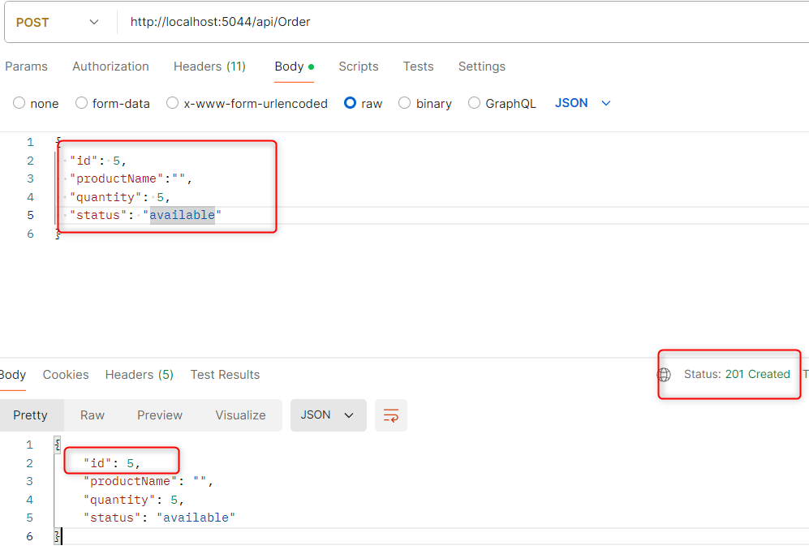
12 |  | Acceptance |  | Test order cancellation and status updates. | An order cancellation and status updates should be executed | PASSED | An order cancellation and status updates has been executed | 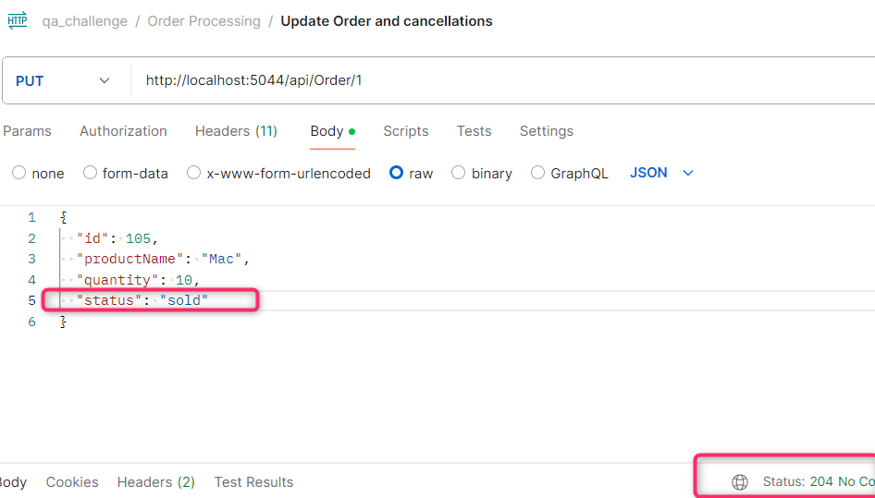
13 |  | Acceptance |  | Verify error handling for invalid order operations. | An error handling for invalid order operations should be displayed. | PASSED | An error handling for invalid order operations has been displayed. | 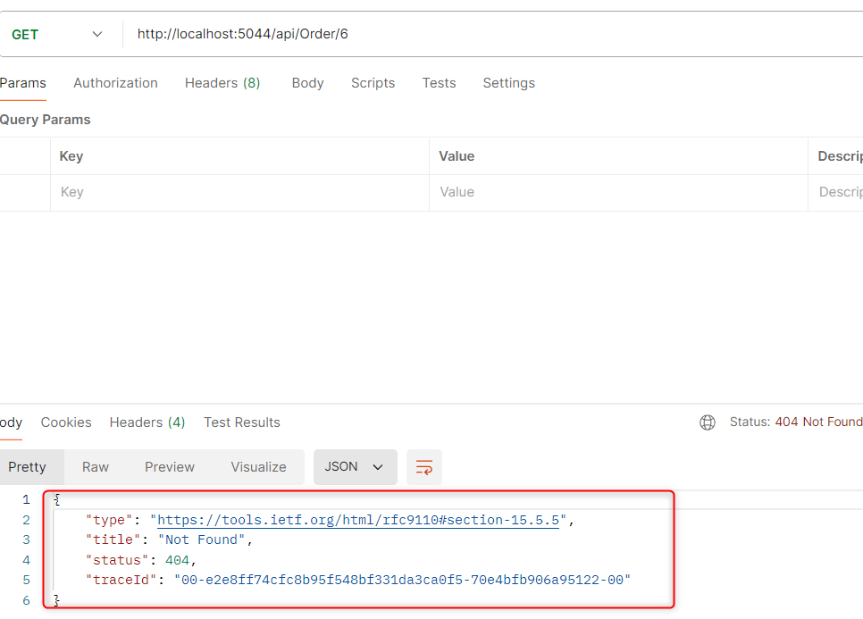

SCENARIOS UI (FE)
NRO | FEATURE | TYPE | TECHNIQUE | TEST SUMMARY | EXPECTED RESULT | STATUS | ACTUAL RESULT | EVIDENCE | TICKET BUG
1 | User Authentication & Dashboard | Acceptance | Decission Table | Verify login functionalities in UI | User should be authenticated with valid message | PASSED | User is autheticate and there is a confirmation message displayed in login page | 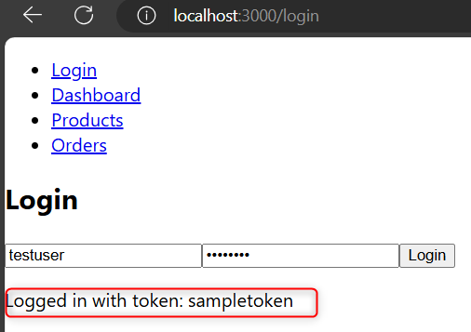
2 |  | Acceptance | Decission Table | Verify logout functionalities in UI | User should be able to logout from the wep app | FAILED | User unable to log out from web app | 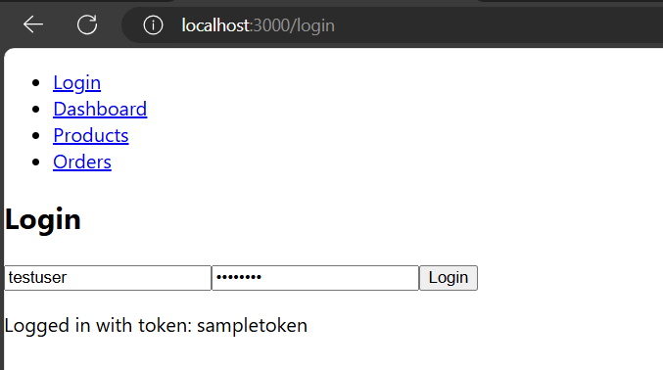 | 101
3 |  | Acceptance | Decission Table | Test user dashboard data display and refresh | User dashboard data should be displayed and refreshed | FAILED | User dashboard data page is not displayed and refreshed | 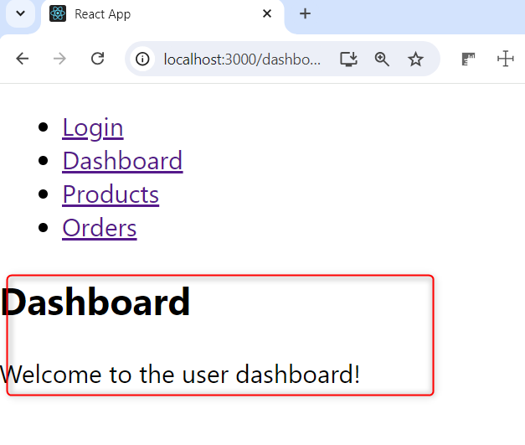 | 102
4 |  | Negative |  | Verify to Do not access any web app page without an User is authenticated | nobody should be able to have access to the any web app | FAILED | Any user can access to product, order or another page without be authenticated | 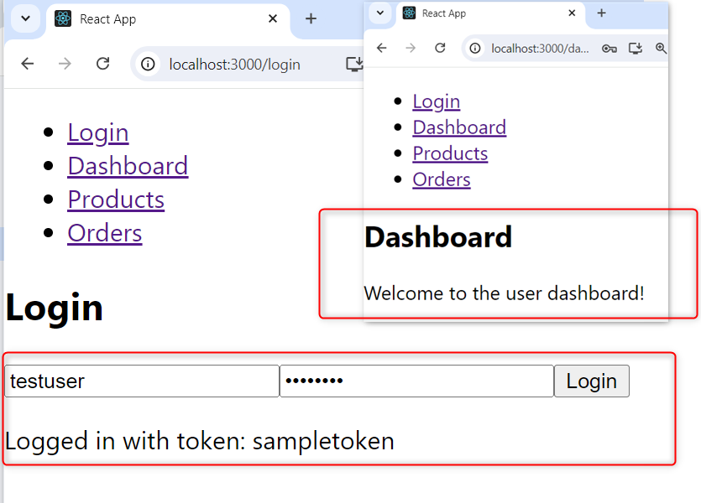 | 103
5 |  | Negative |  | Verify to access to homepage dashboard page after an user is logged | An User should be directed to the dashobard page | FAILED | The user authenticated is redirected to the same login page | 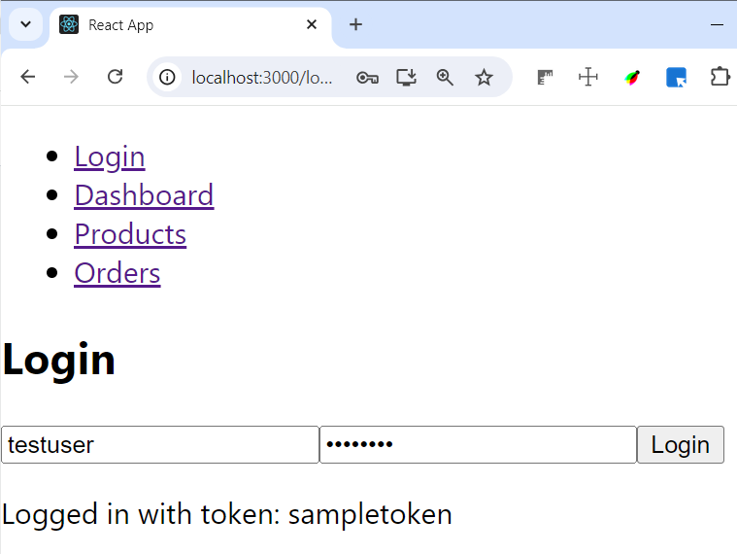 | 104
6 |  | Acceptance |  | Verify Login Layout adapts on differents Devides | Website layout should be adapted correctly to various screen sizes | PASSED | Website layout is adapted correctly to various screen sizes
7 |  | Acceptance |  | Verify Login form layout is appropriately visible with width=1024 px | Login form layout should be displayed appropriately with width=1024 px | FAILED | Login and password text field dont have the complete drawn box fields | 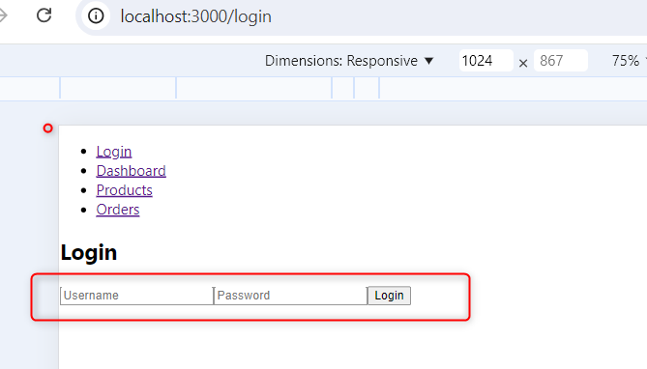 | 105
8 |  | Acceptance |  | Verify Keyboard Accessibility | All interactive elements should be reachable and operable | PASSED | All interactive elements are reachable and operable | 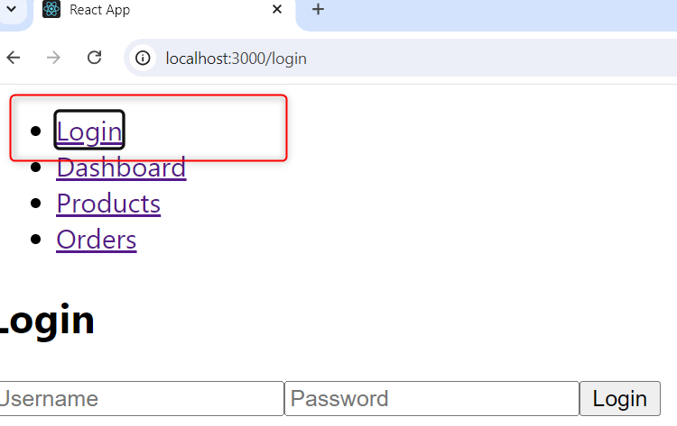
9 |  | Acceptance |  | Verify Color Contrast and friendly page | Visual elements should be located in a user-friendly with consistent sizes between fields or buttons. | FAILED | Visual elements are not located in a user-friendly with consistent sizes between fields or buttons. |  | 106
10 |  | Acceptance |  | Verify that info or error messages are accessible and provide clear feedback | They should be associated with the relevant form fields and provide actionable feedback | FAILED | Information or error messages do not provide clear feedback |  | 107
11 | Product Listing & Order Processing | Acceptance |  | Verify product listing display | Product listing should be displayed | PASSED | Product listing is displayed | 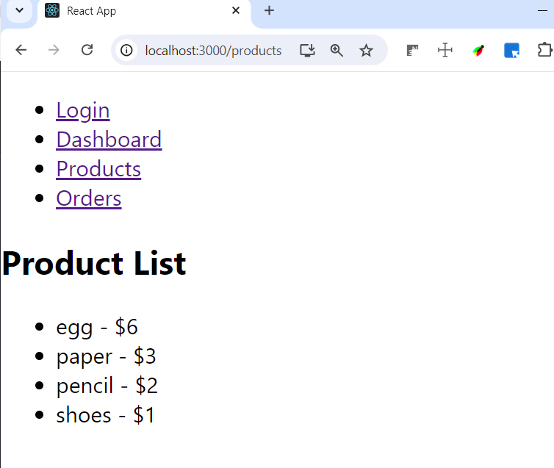
12 |  | Acceptance |  | Verify product listing filter | Product listing should be filtered | FAILED | Product listing is not filtered | 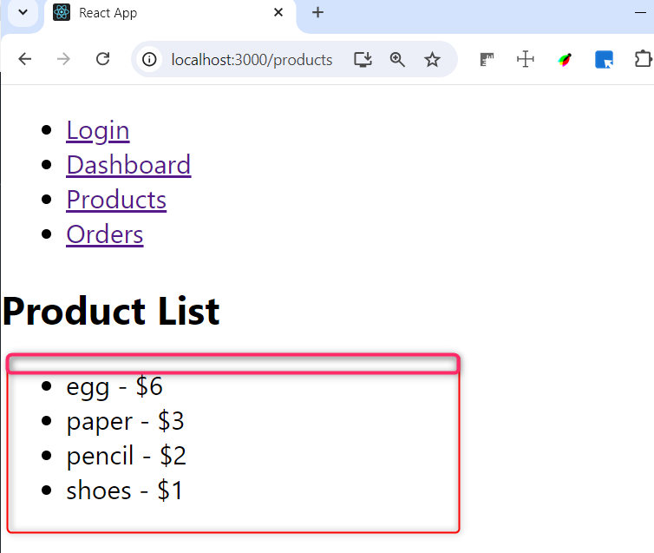
13 |  | Acceptance |  | Test order creation, update, and cancellation workflows | Order creation, update, and cancellation workflows should work. | FAILED | Order creation, update, and cancellation workflows are not displayed. |  | 108
14 |  | Acceptance |  | Verify Product Listing Layout adapts correctly to various screen sizes | Product Listing layout should be adapted correctly to various screen sizes | PASSED | Product Listing layout is adapted correctly to various screen sizes | 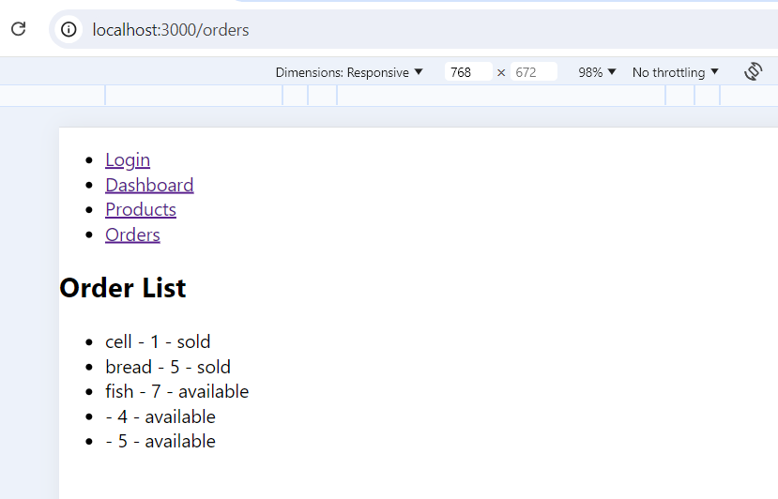
15 |  | Acceptance |  | Verify Keyboard Accessibility | All interactive elements should be reachable and operable | PASSED | All interactive elements are reachable and operable | 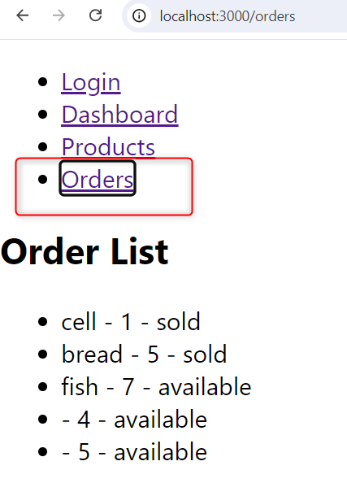
16 |  | Acceptance |  | Verify Color Contrast and friendly seccion for product and order processing pages | Visual elements should be located in a user-friendly with consistent sizes between fields or buttons. | FAILED | Visual elements are not located in a user-friendly with consistent sizes between fields or buttons. | 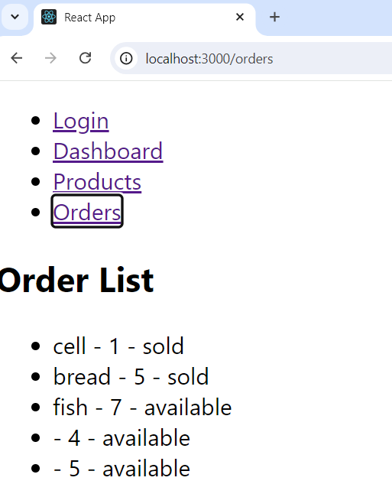 | 109
17 |  | Acceptance |  | Verify that error messages are accessible and provide clear feedback | They should be associated with the relevant form fields and provide actionable feedback | FAILED | Error messages do not provide clear feedback when there are not products | 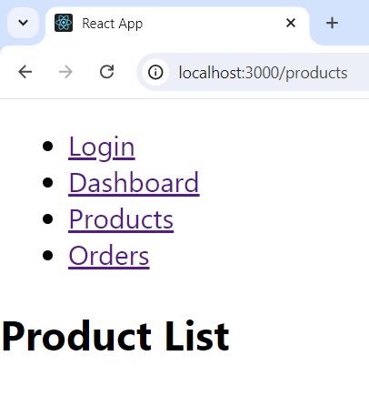 | 110
18 |  | Boundary Testing | Decission Table | Verify boundary Values for Login and password | The valid values should be validated as correct | PASSED | Valid values have been validated | 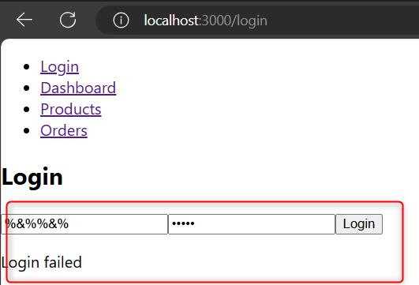

BUGS
Nro | TITLE | DESCRIPTION | STEPS TO REPRODUCE | SEVERITY | ACTUAL RESULT | ATTACHMENTS
99 | It´s not possible to test the expiration token | When a user is logged then the token is not sent | 1.- Authenticate in postman or swagger http://localhost:5044/swagger/index.html 2.- execute the get method by invalid id example "5" 3.- Watch the incomplete message in body response in postman or in the image in attachment seccion | High | It´s not possible to test the expiration token
100 | Incomplete error handling due to invalid product data in bode response | when the user tries to search a product by id product un swggaer or postman tool then in bode response show incomplete message code status | 1.- Authenticate in postman or swagger http://localhost:5044/swagger/index.html 2.- execute the get method by invalid id example "5" 3.- Watch the incomplete message in body response in postman or in the image in attachment seccion | Low | Incomplete error message is displayed this is not giving a properly feedback | 
101 | User unable to log out from web app | when a user wants to log out from the web app then is not possible | 1.- Go to http://localhost:3000/login and be logged 2.- Watch the log out doesnt exist in any page from the app | High | Log out tab doesn´t exist in the web app | 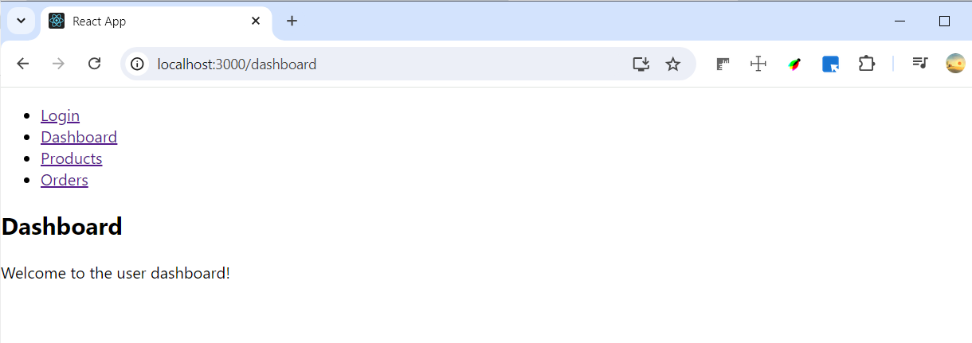
102 | User dashboard data page is not displayed and refreshed | When a user wants to watch his information then dashboard user page is not refreshed | 1.- Go to http://localhost:3000/login and be logged 2.- Click on the dashboard tab 3.- Notice the information is not displayed and refreshed with new data | High | On the dashboard user page, this informative message “Welcome to the user dashboard!” is permanently displayed. | 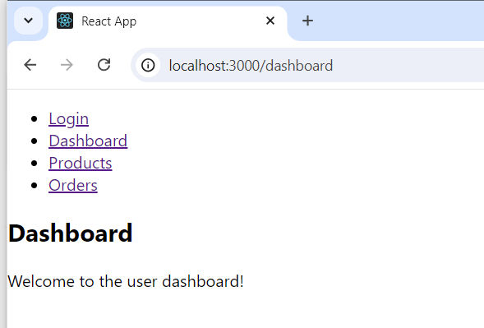
103 | Any user can access to product, order or another page without be authenticated | When a user tries to go any page from login page then is possible without be authenticated | 1.- Go to http://localhost:3000/login 2.-Click on the product list or another link | High | Any common user can access to the dahsboard , products and orders link page | 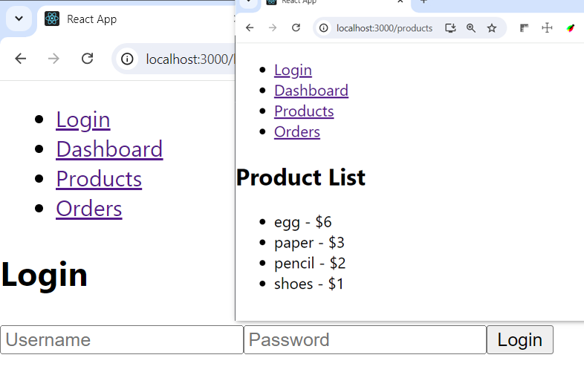
104 | The user authenticated is redirected to the same login page | when the user is authenticated then is directed to the same login page | 1.- Go to http://localhost:3000/login 2.-Log in as user with valid credentias | High | The user authenticated is redirected to the same login page
105 | Login and password text fields dont have the complete drawn box fields | When an user tries to resize the screen page with another size tam then the form login have incomplete drawn | 1.- Go to http://localhost:3000/login 2.-Log in as user with valid credentias | Low | Login and password text fields dont have the complete drawn box fields
106 | The visual elements are not placed in a user-friendly way and do not have consistent color sizes between fields or buttons. | When a user is logged and have access to the web page form login dont have coherent solor and sizes elements | 1.- Go to http://localhost:3000/login 2.-Log in as user with valid credentias | Low | The visual elements are not placed in a user-friendly way and do not have consistent color sizes between fields or buttons.
107 | Information or error messages do not provide clear feedback | After an action made by the user there are not clear messages | 1.- Go to http://localhost:3000/login 2.-Log in as user with valid credentials 3.- Click on the dashaboard link 4.- Notice the info message is not clear | Medium | Information or error message do not provide clear feedback for user this could be generate missunderstanding
108 | Order creation, update, and cancellation workflows are not displayed. | When a user Orders link is not possible to access to see order processing option | 1.- Go to http://localhost:3000/login 2.-Log in as user with valid credentials 3.- Click on the Order list link 4.- Notice the processing order is not displayed | High | Order creation, update, and cancellation workflows are not displayed. | 
109 | Visual elements are not located in a user-friendly with consistent sizes between fields or buttons for order and product listing sections. | when a user go to orders or product list this can not see any option about those | 1.- Go to http://localhost:3000/login 2.-Log in as user with valid credentials 3.- Click on the order list or product list link 4.- Notice these section are not displayed | High | Visual elements are not located in a user-friendly with consistent sizes between fields or buttons for order and product listing sections.
110 | Error/Info messages do not provide clear feedback when there are not products | when a user tries to search a invalid product it means that doesnt exist) then there is not a message to say "that product doesnt exist" | 1.- Go to http://localhost:3000/login 2.-Log in as user with valid credentials 3.- Click on the product list or order list link 4.- Notice the product listing is empthy and that doenst exist. | High | Erro/Info messages do not provide clear feedback when there are not products

